Sheet1
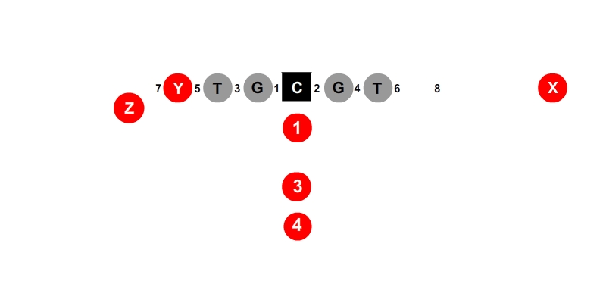
 |  |  |  |  |  |  | X | Y | Z
 |  |  |  |  |  |  | Player 1 | Player 1 | Player 1
 |  |  |  |  |  |  | Player 2 | Player 2 | Player 2
 |  | Player 1 | Player 1 | Player 1 | Player 1 |  | Player 3 | Player 3 | Player 3
 |  | Player 2 | Player 2 | Player 2 | Player 2
 |  | Player 3 | Player 3 | Player 3 | Player 3 |  | LT | LG | C | RG | RT
 |  |  |  |  |  |  | Player 1 | Player 1 | Player 1 | Player 1 | Player 1
 |  |  |  |  |  |  | Player 2 | Player 2 | Player 2 | Player 2 | Player 2
 |  |  |  |  |  |  | Player 3 | Player 3 | Player 3 | Player 3 | Player 3
 | Player 1 |  |  |  |  | Player 1
 | Player 2 |  |  | Player 1 |  | Player 2 | 1 | 3 | 4
Player 1 | Player 3 |  |  | Player 2 |  | Player 3 | Player 1 | Player 1 | Player 1
Player 2 |  |  |  | Player 3 |  |  | Player 2 | Player 2 | Player 2
Player 3 |  |  |  |  |  |  | Player 3 | Player 3 | Player 3

 |  |  |  | Player 1
 |  |  |  | Player 2
 |  |  |  | Player 3

 |  |  |  | Player 1
 |  |  |  | Player 2
 |  |  |  | Player 3

Sheet2
